Sheet1

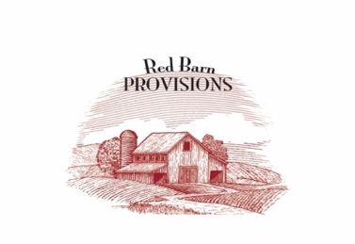

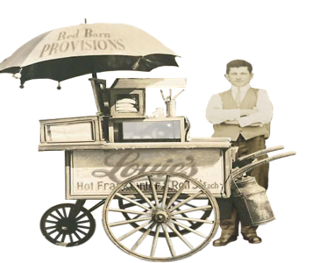
 |  |  |  |  |  |  |  |  |  |  |  |  |  | Warehouse Partners
Red Barn Provisions Beef, Louie's Puschart Provisions and Much More
Slate Food's Marketplace for New York Products |  |  |  |  |  |  |  |  |  |  |  |  |  | All Orders are Place with Slate Foods, Inc.
Renzi Foodservice
Latina Foodservice
Behlog & Sons Produce
Dagele Brothers Produce
Mivila-OGS
Best Choice
Direct - Slate Foods
YEARLY ORDER FORM 2023-2024
Click to Open Mail and Attach Form

School District |  |  |  |  |  |  |  | School Code if Applicable
FS Director Name: |  |  |  |  |  |  |  | Foodservice Phone |  |  |  |  |  | DON'T SEE YOUR ITEM?
Billing Address |  |  |  |  |  |  |  | Email: |  |  |  |  |  | NY Maple Syrup?
 |  |  |  |  |  |  |  | Bid Group: |  |  |  |  |  | NY Eggs?
Optional: Mobile # |  |  |  |  |  |  |  |  |  |  | (Boces, LI Cooperative, etc.) |  |  | NY Honey?
WAREHOUSE DISTRIBUTION-PICKUP INFORMATION |  |  |  |  |  |  |  |  |  |  |  |  |  | NY Bacon or Ground Pork?
Preferred Warehouse Partner
 |  |  |  | Day of Month for Regular Distribution or Pickup |  |  |  |  |  |  | Questions? Reach out!
Mon |  | Tues |  | Weds |  | Thurs |  | Fri

ENTER QUANTITIES HERE
SF CODE | SF 115 | SF 116 | SF 113 | SF 114 | SF 118 | SF 1920-8 | SF 1920-6 | SF 1403 | SF 300 | SF 301 | SF 302 | SF 303 | SFRB 100 | SFRB 101 | SF 125
ITEM | GROUND BEEF | 2.6 oz Patties | 3 oz Patties | 4 oz Patties | Beef Tenderloin | 8/# Hotdogs | 6/# Hotdogs | Pork Picnic-Boston Butt | NY Shredded Mozzarella | NY Ricotta | NY String Cheese | NY Fresh Mozzarella | Roast Beef with Rub | Roast Beef Plain | Fully-Cooked Meatballs
SPECS | 30# Case. (6/5# Packs) | 30# Case. (180 ct) | 30# Case. (150 ct) | 30# Case. (120 ct) | weights vary Avg 8 Pc per Case | 30# Case. 15/2# Packs (240 ct) | 30# Case. 6/5# Packs (180 ct) | 35-45# Case. 6-8# Each 5 Pieces per Case | SF 300 NYS Mozzarella, Shredded 5/5# Packs 25# Case | SF 301 NYS Ricotta, 6/5# Packs 30# case | SF 302 NYS String Cheese 480 pc. 30# case | SF 303 NYS Mozzarella, Fresh 2/5# Packs 10# Case | 40# Case. 5 Splits Avg 8# Each | 40# Case. 5 Splits Avg 8# Each | 30# Case 6/5# Packs
 | ENTER # Cases | ENTER # Cases | ENTER # Cases | ENTER # Cases | ENTER POUNDS | ENTER # Cases | ENTER # Cases | ENTER # Cases | ENTER # Cases | ENTER # Cases | ENTER # Cases | ENTER # Cases | ENTER # Cases | ENTER # Cases | ENTER # Cases
August
September
October
November
December
January
February
March
April
May
June
TOTAL | 0 | 0 | 0 | 0 | 0 | 0 | 0 | 0 | 0 | 0 | 0 | 0 | 0 | 0 | 0
Please save this form "Save as" with your district name (ex: ABCSD-Slate-Orders--2023-2024)

